Instructions
Purpose of this LPCP Structural Ranking Spreadsheet:
The purpose of this spreadsheet is to meet the requirements in Appendix F Part III.1.b of the MS4 Permit. The permit requires that permittees develop a priority ranking of parcels within the impaired waterbodies LPCP area for potential implementation of phosphorus control practices. This spreadsheet allows communities to rank their top municipal parcels within the LPCP area for all of the different factors mentioned in Section 2.3.6.e. When the spreadsheet is complete, the community will have a ranking showing the municipally owned parcels with the highest potential to be retrofitted with phosphorus reducing stormwater BMPs within the LPCP area.

How to use this LPCP Structural Ranking Spreadsheet:
1. Depending on how you defined the LPCP area in Year 4, either choose the LPCP Municipal Boundaries tab (use this tab if you chose to define the LPCP area as all the municipal area within the impaired waterbodies watershed) or choose the LPCP MS4 Boundaries tab (use this tab if you chose to define the LPCP area to just be the MS4 area within the impaired waterbodies watershed).

2. Using whatever tab you decided on, you will find your communities’ top municipal parcels within the defined LPCP area, along with some of the parcels corresponding information, have been added to the spreadsheet in columns A through E. This information came directly from your waterbody's LPCP Scope and Calculations spreadsheet located on the permittee-specific pages.

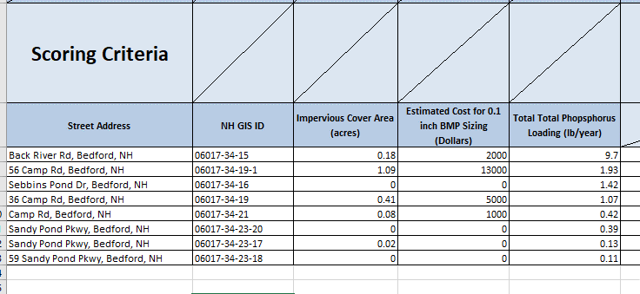

3. Columns F through Z each contain different factors that the MS4 permit requires to be taken into consideration. Each factor has a scoring system to help determine how well the parcel meets the requirements of that factor. Each community will need to go through the spreadsheet and rank each of the municipal parcels for all of the factors.
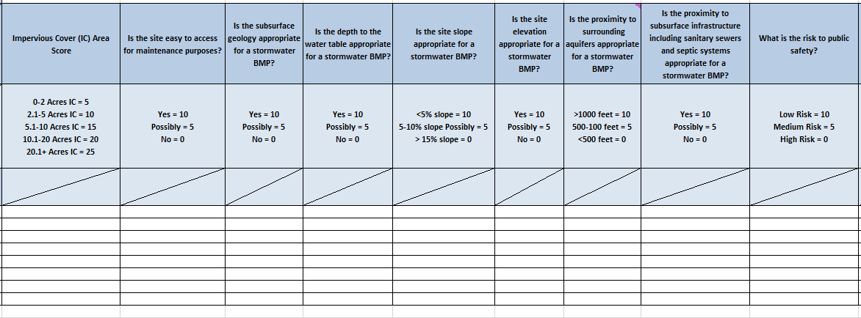

4. Column AA contains the final score for each of the municipal parcels. The greater the total score, the more potential the parcel has to be retrofitted with a phosphorus reducing BMP.

